LES COPAINS UOMO
 |  |  |  |  |  |  |  | TOTALI |  |  | 1290 |  |  | 554,700.00 €
PHOTO | PHOTO2 | ARTICLE CODE | BRAND | SEASON | GENDER | MACRO | DESCRIPTION | COLOR CODE | COLOR | SIZE | QTY | WHL | RETAIL UNIT | RETAIL TOTAL | MADE IN | COMPOSITION
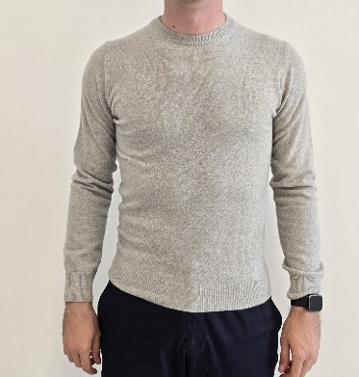 |  | U/O E800 FF12 | LES COPAINS | FW25 | UOMO | PULLOVER | GIROCOLLO | E800 | GRIGIO PERLA | S | 36 | 165.38 € | € 430.00 | € 15,480.00 | MADE IN ITALY | 100% CASHMERE
 |  | U/O E800 FF12 | LES COPAINS | FW25 | UOMO | PULLOVER | GIROCOLLO | E800 | GRIGIO PERLA | M | 8 | 165.38 € | € 430.00 | € 3,440.00 | MADE IN ITALY | 100% CASHMERE
 |  | U/O E800 FF12 | LES COPAINS | FW25 | UOMO | PULLOVER | GIROCOLLO | E800 | GRIGIO PERLA | XL | 16 | 165.38 € | € 430.00 | € 6,880.00 | MADE IN ITALY | 100% CASHMERE
 |  | U/O E800 FF12 | LES COPAINS | FW25 | UOMO | PULLOVER | GIROCOLLO | E800 | GRIGIO PERLA | XXL | 7 | 165.38 € | € 430.00 | € 3,010.00 | MADE IN ITALY | 100% CASHMERE
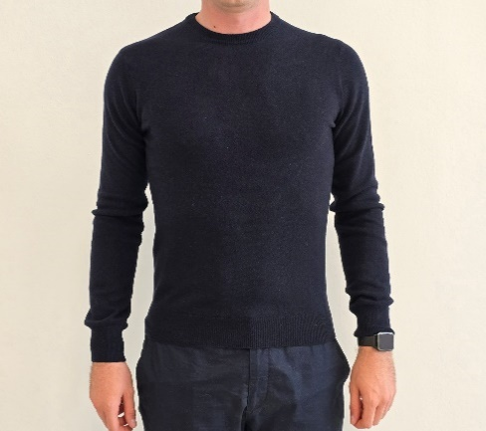 |  | U/O E500 FF12 | LES COPAINS | FW25 | UOMO | PULLOVER | GIROCOLLO | E500 | BLU NAVY | S | 36 | 165.38 € | € 430.00 | € 15,480.00 | MADE IN ITALY | 100% CASHMERE
 |  | U/O E500 FF12 | LES COPAINS | FW25 | UOMO | PULLOVER | GIROCOLLO | E500 | BLU NAVY | M | 14 | 165.38 € | € 430.00 | € 6,020.00 | MADE IN ITALY | 100% CASHMERE
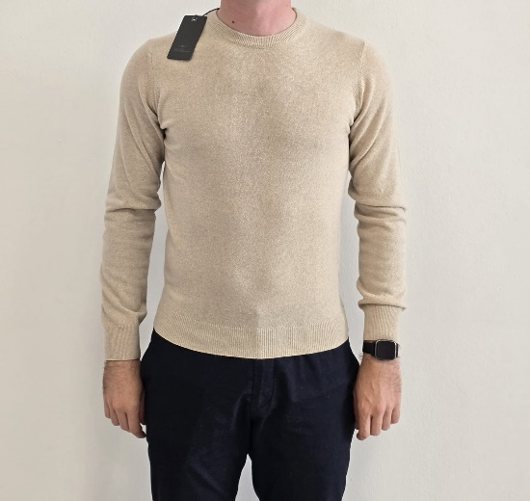 |  | U/O E700 FF12 | LES COPAINS | FW25 | UOMO | PULLOVER | GIROCOLLO | E700 | BEIGE | S | 45 | 165.38 € | € 430.00 | € 19,350.00 | MADE IN ITALY | 100% CASHMERE
 |  | U/O E700 FF12 | LES COPAINS | FW25 | UOMO | PULLOVER | GIROCOLLO | E700 | BEIGE | M | 87 | 165.38 € | € 430.00 | € 37,410.00 | MADE IN ITALY | 100% CASHMERE
 |  | U/O E700 FF12 | LES COPAINS | FW25 | UOMO | PULLOVER | GIROCOLLO | E700 | BEIGE | L | 66 | 165.38 € | € 430.00 | € 28,380.00 | MADE IN ITALY | 100% CASHMERE
 |  | U/O E700 FF12 | LES COPAINS | FW25 | UOMO | PULLOVER | GIROCOLLO | E700 | BEIGE | XL | 107 | 165.38 € | € 430.00 | € 46,010.00 | MADE IN ITALY | 100% CASHMERE
 |  | U/O E700 FF12 | LES COPAINS | FW25 | UOMO | PULLOVER | GIROCOLLO | E700 | BEIGE | XXL | 29 | 165.38 € | € 430.00 | € 12,470.00 | MADE IN ITALY | 100% CASHMERE
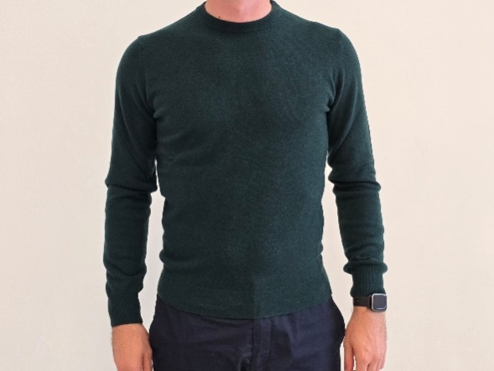 |  | U/O E190 FF12 | LES COPAINS | FW25 | UOMO | PULLOVER | GIROCOLLO | E190 | BOSCO | S | 29 | 165.38 € | € 430.00 | € 12,470.00 | MADE IN ITALY | 100% CASHMERE
 |  | U/O E190 FF12 | LES COPAINS | FW25 | UOMO | PULLOVER | GIROCOLLO | E190 | BOSCO | M | 25 | 165.38 € | € 430.00 | € 10,750.00 | MADE IN ITALY | 100% CASHMERE
 |  | U/O E190 FF12 | LES COPAINS | FW25 | UOMO | PULLOVER | GIROCOLLO | E190 | BOSCO | L | 14 | 165.38 € | € 430.00 | € 6,020.00 | MADE IN ITALY | 100% CASHMERE
 |  | U/O E190 FF12 | LES COPAINS | FW25 | UOMO | PULLOVER | GIROCOLLO | E190 | BOSCO | XL | 19 | 165.38 € | € 430.00 | € 8,170.00 | MADE IN ITALY | 100% CASHMERE
 |  | U/O E190 FF12 | LES COPAINS | FW25 | UOMO | PULLOVER | GIROCOLLO | E190 | BOSCO | XXL | 6 | 165.38 € | € 430.00 | € 2,580.00 | MADE IN ITALY | 100% CASHMERE
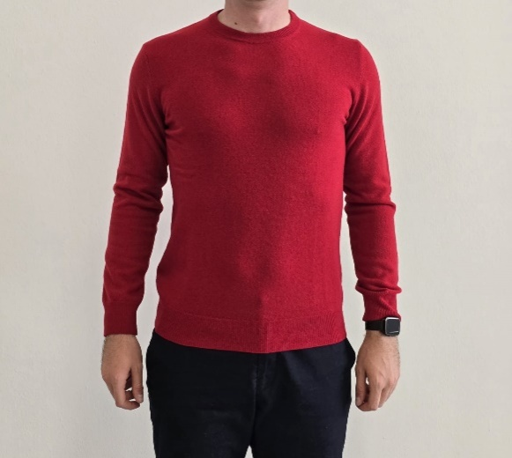 |  | U/O E200 FF12 | LES COPAINS | FW25 | UOMO | PULLOVER | GIROCOLLO | E200 | ROSSA | S | 23 | 165.38 € | € 430.00 | € 9,890.00 | MADE IN ITALY | 100% CASHMERE
 |  | U/O E200 FF12 | LES COPAINS | FW25 | UOMO | PULLOVER | GIROCOLLO | E200 | ROSSA | M | 36 | 165.38 € | € 430.00 | € 15,480.00 | MADE IN ITALY | 100% CASHMERE
 |  | U/O E200 FF12 | LES COPAINS | FW25 | UOMO | PULLOVER | GIROCOLLO | E200 | ROSSA | L | 64 | 165.38 € | € 430.00 | € 27,520.00 | MADE IN ITALY | 100% CASHMERE
 |  | U/O E200 FF12 | LES COPAINS | FW25 | UOMO | PULLOVER | GIROCOLLO | E200 | ROSSA | XL | 73 | 165.38 € | € 430.00 | € 31,390.00 | MADE IN ITALY | 100% CASHMERE
 |  | U/O E200 FF12 | LES COPAINS | FW25 | UOMO | PULLOVER | GIROCOLLO | E200 | ROSSA | XXL | 37 | 165.38 € | € 430.00 | € 15,910.00 | MADE IN ITALY | 100% CASHMERE
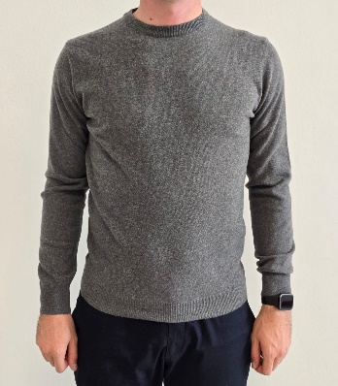 |  | U/O E820 FF12 | LES COPAINS | FW25 | UOMO | PULLOVER | GIROCOLLO | E820 | GRIGIO MEDIO | S | 39 | 165.38 € | € 430.00 | € 16,770.00 | MADE IN ITALY | 100% CASHMERE
 |  | U/O E820 FF12 | LES COPAINS | FW25 | UOMO | PULLOVER | GIROCOLLO | E820 | GRIGIO MEDIO | M | 0 | 165.38 € | € 430.00 | € - | MADE IN ITALY | 100% CASHMERE
 |  | U/O E820 FF12 | LES COPAINS | FW25 | UOMO | PULLOVER | GIROCOLLO | E820 | GRIGIO MEDIO | L | 27 | 165.38 € | € 430.00 | € 11,610.00 | MADE IN ITALY | 100% CASHMERE
 |  | U/O E820 FF12 | LES COPAINS | FW25 | UOMO | PULLOVER | GIROCOLLO | E820 | GRIGIO MEDIO | XL | 46 | 165.38 € | € 430.00 | € 19,780.00 | MADE IN ITALY | 100% CASHMERE
 |  | U/O E820 FF12 | LES COPAINS | FW25 | UOMO | PULLOVER | GIROCOLLO | E820 | GRIGIO MEDIO | XXL | 9 | 165.38 € | € 430.00 | € 3,870.00 | MADE IN ITALY | 100% CASHMERE
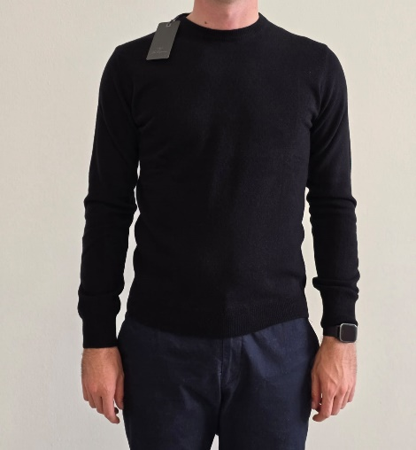 |  | U/O E900 FF12 | LES COPAINS | FW25 | UOMO | PULLOVER | GIROCOLLO | E900 | NERO | S | 35 | 165.38 € | € 430.00 | € 15,050.00 | MADE IN ITALY | 100% CASHMERE
 |  | U/O E900 FF12 | LES COPAINS | FW25 | UOMO | PULLOVER | GIROCOLLO | E901 | NERO | M | 79 | 165.38 € | € 430.00 | € 33,970.00 | MADE IN ITALY | 100% CASHMERE
 |  | U/O E900 FF12 | LES COPAINS | FW25 | UOMO | PULLOVER | GIROCOLLO | E902 | NERO | L | 58 | 165.38 € | € 430.00 | € 24,940.00 | MADE IN ITALY | 100% CASHMERE
 |  | U/O E900 FF12 | LES COPAINS | FW25 | UOMO | PULLOVER | GIROCOLLO | E903 | NERO | XL | 24 | 165.38 € | € 430.00 | € 10,320.00 | MADE IN ITALY | 100% CASHMERE
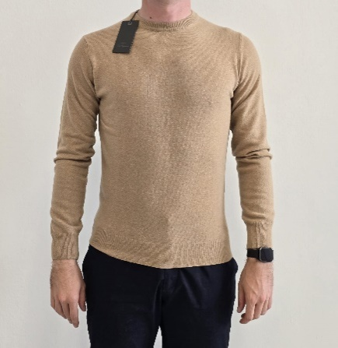 | 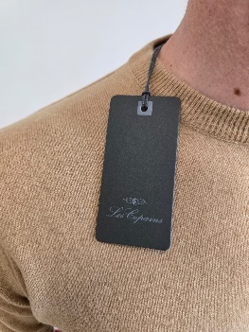 | U/O E770 FF12 | LES COPAINS | FW25 | UOMO | PULLOVER | GIROCOLLO | E770 | CAMMELLO | S | 40 | 165.38 € | € 430.00 | € 17,200.00 | MADE IN ITALY | 100% CASHMERE
 |  | U/O E770 FF12 | LES COPAINS | FW25 | UOMO | PULLOVER | GIROCOLLO | E770 | CAMMELLO | M | 39 | 165.38 € | € 430.00 | € 16,770.00 | MADE IN ITALY | 100% CASHMERE
 |  | U/O E770 FF12 | LES COPAINS | FW25 | UOMO | PULLOVER | GIROCOLLO | E770 | CAMMELLO | L | 43 | 165.38 € | € 430.00 | € 18,490.00 | MADE IN ITALY | 100% CASHMERE
 |  | U/O E770 FF12 | LES COPAINS | FW25 | UOMO | PULLOVER | GIROCOLLO | E770 | CAMMELLO | XL | 58 | 165.38 € | € 430.00 | € 24,940.00 | MADE IN ITALY | 100% CASHMERE
 |  | U/O E770 FF12 | LES COPAINS | FW25 | UOMO | PULLOVER | GIROCOLLO | E770 | CAMMELLO | XXL | 16 | 165.38 € | € 430.00 | € 6,880.00 | MADE IN ITALY | 100% CASHMERE

